Feuil1
Number | counterpart | Bonanza | String Keys | Turning | Malta | Partner | Equivalent | Shadow | Code | NUMBER | C | B | SK | T | M | P | E | S | Co
1 | 46 | 74 | 58 | 10 | 89 | 03 | 08 | 04 | 00 | 1 | 46 | 74 | 58 | 10 | 89 | 3 | 8 | 4 | 0
2 | 47 | 8 | 65 | 20 | 88 | 9 | 7 | 8 | 9 | 2 | 47 | 8 | 65 | 20 | 88 | 9 | 7 | 8 | 9
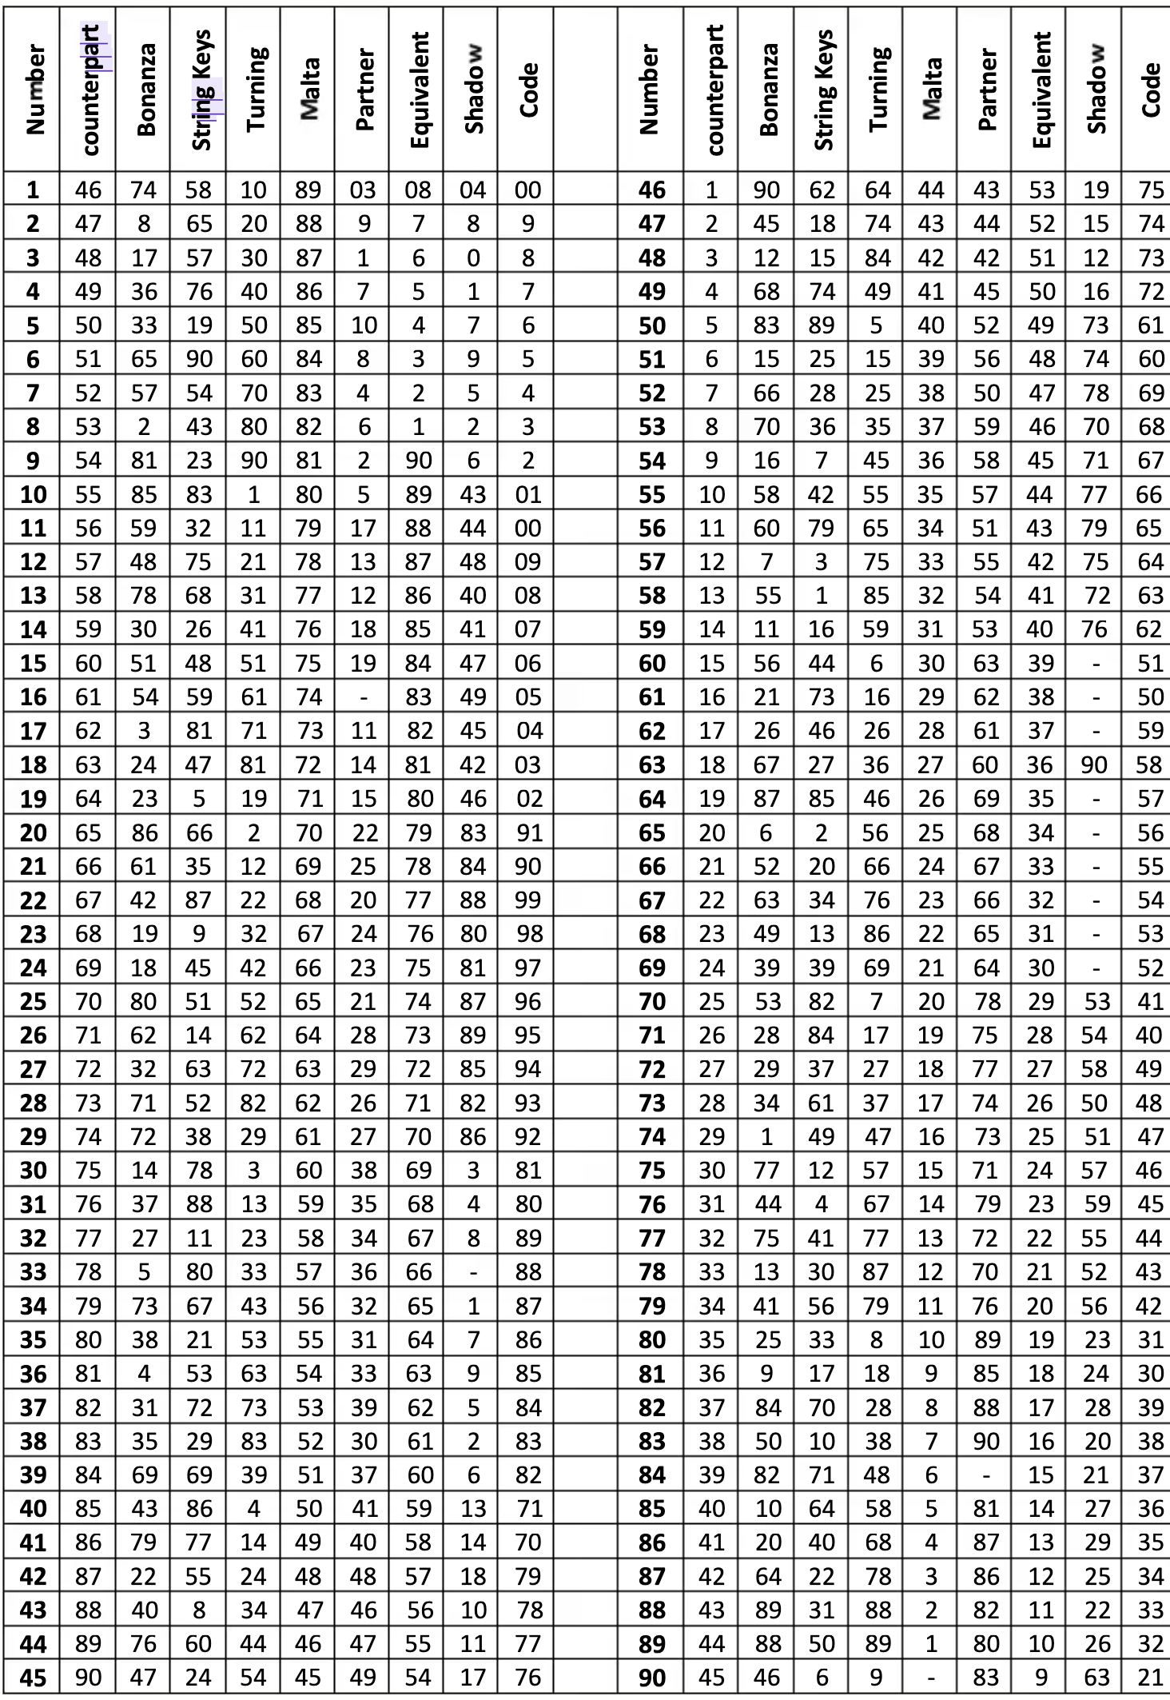
3 | 48 | 17 | 57 | 30 | 87 | 1 | 6 | 0 | 8 | 3 | 48 | 17 | 57 | 30 | 87 | 1 | 6 | 0 | 8
4 | 49 | 36 | 76 | 40 | 86 | 7 | 5 | 1 | 7 | 4 | 49 | 36 | 76 | 40 | 86 | 7 | 5 | 1 | 7
5 | 50 | 33 | 19 | 50 | 85 | 10 | 4 | 7 | 6 | 5 | 50 | 33 | 19 | 50 | 85 | 10 | 4 | 7 | 6
6 | 51 | 65 | 90 | 60 | 84 | 8 | 3 | 9 | 5 | 6 | 51 | 65 | 90 | 60 | 84 | 8 | 3 | 9 | 5
7 | 52 | 57 | 54 | 70 | 83 | 4 | 2 | 5 | 4 | 7 | 52 | 57 | 54 | 70 | 83 | 4 | 2 | 5 | 4
8 | 53 | 2 | 43 | 80 | 82 | 6 | 1 | 2 | 3 | 8 | 53 | 2 | 43 | 80 | 82 | 8 | 1 | 2 | 3
9 | 54 | 81 | 23 | 90 | 81 | 2 | 90 | 6 | 2 | 9 | 54 | 81 | 23 | 90 | 81 | 2 | 90 | 6 | 2
10 | 55 | 85 | 83 | 1 | 80 | 5 | 89 | 43 | 01 | 10 | 55 | 85 | 83 | 1 | 80 | 5 | 89 | 43 | 1
11 | 56 | 59 | 32 | 11 | 79 | 17 | 88 | 44 | 00 | 11 | 56 | 59 | 32 | 11 | 79 | 17 | 88 | 44 | 0
12 | 57 | 48 | 75 | 21 | 78 | 13 | 87 | 48 | 09 | 12 | 57 | 48 | 75 | 21 | 79 | 13 | 87 | 48 | 9
13 | 58 | 78 | 68 | 31 | 77 | 12 | 86 | 40 | 08 | 13 | 58 | 78 | 68 | 31 | 77 | 12 | 86 | 40 | 8
14 | 59 | 30 | 26 | 41 | 76 | 18 | 85 | 41 | 07 | 14 | 59 | 30 | 26 | 41 | 76 | 18 | 85 | 41 | 7
15 | 60 | 51 | 48 | 51 | 75 | 19 | 84 | 47 | 06 | 15 | 60 | 51 | 48 | 51 | 75 | 19 | 84 | 47 | 6
16 | 61 | 54 | 59 | 61 | 74 | - | 83 | 49 | 05 | 16 | 61 | 54 | 59 | 61 | 74 | 0 | 83 | 49 | 5
17 | 62 | 3 | 81 | 71 | 73 | 11 | 82 | 45 | 04 | 17 | 62 | 3 | 81 | 71 | 73 | 11 | 82 | 45 | 4
18 | 63 | 24 | 47 | 81 | 72 | 14 | 81 | 42 | 03 | 18 | 63 | 24 | 47 | 81 | 72 | 14 | 81 | 42 | 3
19 | 64 | 23 | 5 | 19 | 71 | 15 | 80 | 46 | 02 | 19 | 64 | 23 | 5 | 19 | 71 | 15 | 80 | 46 | 2
20 | 65 | 86 | 66 | 2 | 70 | 22 | 79 | 83 | 91 | 20 | 65 | 86 | 66 | 2 | 70 | 22 | 79 | 83 | 91
21 | 66 | 61 | 35 | 12 | 69 | 25 | 78 | 84 | 90 | 21 | 66 | 61 | 35 | 21 | 69 | 25 | 78 | 84 | 90
22 | 67 | 42 | 87 | 22 | 68 | 20 | 77 | 88 | 99 | 22 | 67 | 42 | 87 | 22 | 68 | 20 | 77 | 88 | 99
23 | 68 | 19 | 9 | 32 | 67 | 24 | 76 | 80 | 98 | 23 | 68 | 19 | 9 | 32 | 67 | 24 | 76 | 80 | 98
24 | 69 | 18 | 45 | 42 | 66 | 23 | 75 | 81 | 97 | 24 | 69 | 18 | 45 | 42 | 66 | 23 | 75 | 81 | 97
25 | 70 | 80 | 51 | 52 | 65 | 21 | 74 | 87 | 96 | 25 | 70 | 80 | 51 | 52 | 65 | 21 | 74 | 87 | 96
26 | 71 | 62 | 14 | 62 | 64 | 28 | 73 | 89 | 95 | 26 | 71 | 62 | 14 | 62 | 64 | 28 | 73 | 89 | 95
27 | 72 | 32 | 63 | 72 | 63 | 29 | 72 | 85 | 94 | 27 | 72 | 32 | 63 | 72 | 63 | 29 | 72 | 85 | 94
28 | 73 | 71 | 52 | 82 | 62 | 26 | 71 | 82 | 93 | 28 | 73 | 71 | 52 | 82 | 62 | 26 | 71 | 82 | 93
29 | 74 | 72 | 38 | 29 | 61 | 27 | 70 | 86 | 92 | 29 | 74 | 72 | 38 | 29 | 61 | 27 | 70 | 86 | 92
30 | 75 | 14 | 78 | 3 | 60 | 38 | 69 | 3 | 81 | 30 | 75 | 14 | 78 | 3 | 60 | 38 | 69 | 3 | 81
31 | 76 | 37 | 88 | 13 | 59 | 35 | 68 | 4 | 80 | 31 | 76 | 37 | 88 | 13 | 59 | 35 | 68 | 4 | 80
32 | 77 | 27 | 11 | 23 | 58 | 34 | 67 | 8 | 89 | 32 | 77 | 27 | 11 | 23 | 58 | 34 | 67 | 8 | 89
33 | 78 | 5 | 80 | 33 | 57 | 36 | 66 | - | 88 | 33 | 78 | 5 | 80 | 33 | 57 | 36 | 66 | 0 | 88
34 | 79 | 73 | 67 | 43 | 56 | 32 | 65 | 1 | 87 | 34 | 79 | 73 | 67 | 43 | 56 | 32 | 65 | 1 | 87
35 | 80 | 38 | 21 | 53 | 55 | 31 | 64 | 7 | 86 | 35 | 80 | 38 | 21 | 53 | 55 | 31 | 64 | 7 | 86
36 | 81 | 4 | 53 | 63 | 54 | 33 | 63 | 9 | 85 | 36 | 81 | 4 | 53 | 63 | 54 | 33 | 63 | 9 | 85
37 | 82 | 31 | 72 | 73 | 53 | 39 | 62 | 5 | 84 | 37 | 82 | 31 | 72 | 73 | 53 | 39 | 62 | 5 | 84
38 | 83 | 35 | 29 | 83 | 52 | 30 | 61 | 2 | 83 | 38 | 83 | 35 | 29 | 83 | 52 | 30 | 61 | 2 | 83
39 | 84 | 69 | 69 | 39 | 51 | 37 | 60 | 6 | 82 | 39 | 84 | 69 | 69 | 39 | 51 | 37 | 60 | 6 | 82
40 | 85 | 43 | 86 | 4 | 50 | 41 | 59 | 13 | 71 | 40 | 85 | 43 | 86 | 4 | 50 | 41 | 59 | 13 | 71
41 | 86 | 79 | 77 | 14 | 49 | 40 | 58 | 14 | 70 | 41 | 86 | 79 | 77 | 14 | 49 | 40 | 58 | 14 | 70
42 | 87 | 22 | 55 | 24 | 48 | 48 | 57 | 18 | 79 | 42 | 87 | 22 | 55 | 24 | 48 | 48 | 57 | 18 | 79
43 | 88 | 40 | 8 | 34 | 47 | 46 | 56 | 10 | 78 | 43 | 88 | 40 | 8 | 34 | 47 | 46 | 56 | 10 | 78
44 | 89 | 76 | 60 | 44 | 46 | 47 | 55 | 11 | 77 | 44 | 89 | 76 | 60 | 44 | 46 | 47 | 55 | 11 | 77
45 | 90 | 47 | 24 | 54 | 45 | 49 | 54 | 17 | 76 | 45 | 90 | 47 | 24 | 54 | 45 | 49 | 54 | 17 | 76
46 | 1 | 90 | 62 | 64 | 44 | 43 | 53 | 19 | 75 | 46 | 1 | 90 | 62 | 64 | 44 | 43 | 53 | 19 | 75
47 | 2 | 45 | 18 | 74 | 43 | 44 | 52 | 15 | 74 | 47 | 2 | 45 | 18 | 74 | 43 | 44 | 52 | 15 | 74
48 | 3 | 12 | 15 | 84 | 42 | 42 | 51 | 12 | 73 | 48 | 3 | 12 | 15 | 84 | 42 | 42 | 51 | 12 | 73
49 | 4 | 68 | 74 | 49 | 41 | 45 | 50 | 16 | 72 | 49 | 4 | 68 | 74 | 49 | 41 | 45 | 50 | 16 | 72
50 | 5 | 83 | 89 | 5 | 40 | 52 | 49 | 73 | 61 | 50 | 5 | 83 | 89 | 5 | 40 | 52 | 49 | 73 | 61
51 | 6 | 15 | 25 | 15 | 39 | 56 | 48 | 74 | 60 | 51 | 6 | 15 | 25 | 15 | 39 | 56 | 48 | 74 | 60
52 | 7 | 66 | 28 | 25 | 38 | 50 | 47 | 78 | 69 | 52 | 7 | 66 | 28 | 25 | 38 | 50 | 47 | 78 | 69
53 | 8 | 70 | 36 | 35 | 37 | 59 | 46 | 70 | 68 | 53 | 8 | 70 | 36 | 35 | 37 | 59 | 46 | 70 | 68
54 | 9 | 16 | 7 | 45 | 36 | 58 | 45 | 71 | 67 | 54 | 9 | 16 | 7 | 45 | 36 | 58 | 45 | 71 | 67
55 | 10 | 58 | 42 | 55 | 35 | 57 | 44 | 77 | 66 | 55 | 10 | 58 | 42 | 55 | 35 | 57 | 44 | 77 | 66
56 | 11 | 60 | 79 | 65 | 34 | 51 | 43 | 79 | 65 | 56 | 11 | 60 | 79 | 65 | 34 | 51 | 43 | 79 | 65
57 | 12 | 7 | 3 | 75 | 33 | 55 | 42 | 75 | 64 | 57 | 12 | 7 | 3 | 75 | 33 | 55 | 42 | -75 | 64
58 | 13 | 55 | 1 | 85 | 32 | 54 | 41 | 72 | 63 | 58 | 13 | 55 | 1 | 85 | 32 | 54 | 41 | 72 | 63
59 | 14 | 11 | 16 | 59 | 31 | 53 | 40 | 76 | 62 | 59 | 14 | 11 | 16 | 59 | 31 | 53 | 40 | 76 | 62
60 | 15 | 56 | 44 | 6 | 30 | 63 | 39 | - | 51 | 60 | 15 | 56 | 44 | 6 | 30 | 63 | 39 | 0 | 51
61 | 16 | 21 | 73 | 16 | 29 | 62 | 38 | - | 50 | 61 | 16 | 21 | 73 | 16 | 29 | 62 | 38 | 0 | 50
62 | 17 | 26 | 46 | 26 | 28 | 61 | 37 | - | 59 | 62 | 17 | 26 | 46 | 26 | 28 | 61 | 37 | 0 | 59
63 | 18 | 67 | 27 | 36 | 27 | 60 | 36 | 90 | 58 | 63 | 18 | 67 | 27 | 36 | 27 | 60 | 36 | 90 | 58
64 | 19 | 87 | 85 | 46 | 26 | 69 | 35 | - | 57 | 64 | 19 | 87 | 85 | 46 | 26 | 69 | 35 | 0 | 57
65 | 20 | 6 | 2 | 56 | 25 | 68 | 34 | - | 56 | 65 | 20 | 6 | 2 | 56 | 25 | 68 | 34 | 0 | 56
66 | 21 | 52 | 20 | 66 | 24 | 67 | 33 | - | 55 | 66 | 21 | 52 | 20 | 66 | 24 | 67 | 33 | 0 | 55
67 | 22 | 63 | 34 | 76 | 23 | 66 | 32 | - | 54 | 67 | 22 | 63 | 34 | 76 | 23 | 66 | 32 | 0 | 54
68 | 23 | 49 | 13 | 86 | 22 | 65 | 31 | - | 53 | 68 | 23 | 49 | 13 | 86 | 22 | 65 | 31 | 0 | 53
69 | 24 | 39 | 39 | 69 | 21 | 64 | 30 | - | 52 | 69 | 24 | 39 | 39 | 69 | 21 | 64 | 30 | 0 | 52
70 | 25 | 53 | 82 | 7 | 20 | 78 | 29 | 53 | 41 | 70 | 25 | 53 | 82 | 7 | 20 | 78 | 29 | 53 | 41
71 | 26 | 28 | 84 | 17 | 19 | 75 | 28 | 54 | 40 | 71 | 26 | 28 | 84 | 17 | 19 | 75 | 28 | 54 | 40
72 | 27 | 29 | 37 | 27 | 18 | 77 | 27 | 58 | 49 | 72 | 27 | 29 | 37 | 27 | 18 | 77 | 27 | 58 | 49
73 | 28 | 34 | 61 | 37 | 17 | 74 | 26 | 50 | 48 | 73 | 28 | 34 | 61 | 37 | 17 | 74 | 26 | 50 | 48
74 | 29 | 1 | 49 | 47 | 16 | 73 | 25 | 51 | 47 | 74 | 29 | 1 | 49 | 47 | 16 | 73 | 25 | 51 | 47
75 | 30 | 77 | 12 | 57 | 15 | 71 | 24 | 57 | 46 | 75 | 30 | 77 | 12 | 57 | 15 | 71 | 24 | 57 | 46
76 | 31 | 44 | 4 | 67 | 14 | 79 | 23 | 59 | 45 | 76 | 31 | 44 | 4 | 67 | 14 | 79 | 23 | 59 | 45
77 | 32 | 75 | 41 | 77 | 13 | 72 | 22 | 55 | 44 | 77 | 32 | 75 | 41 | 77 | 13 | 72 | 22 | 55 | 44
78 | 33 | 13 | 30 | 87 | 12 | 70 | 21 | 52 | 43 | 78 | 33 | 13 | 30 | 87 | 12 | 70 | 21 | 52 | 43
79 | 34 | 41 | 56 | 79 | 11 | 76 | 20 | 56 | 42 | 79 | 34 | 41 | 56 | 79 | 11 | 76 | 20 | 56 | 42
80 | 35 | 25 | 33 | 8 | 10 | 89 | 19 | 23 | 31 | 80 | 35 | 25 | 33 | 8 | 10 | 89 | 19 | 23 | 31
81 | 36 | 9 | 17 | 18 | 9 | 85 | 18 | 24 | 30 | 81 | 36 | 9 | 17 | 18 | 9 | 85 | 18 | 24 | 30
82 | 37 | 84 | 70 | 28 | 8 | 88 | 17 | 28 | 39 | 82 | 37 | 84 | 70 | 28 | 8 | 88 | 17 | 28 | 39
83 | 38 | 50 | 10 | 38 | 7 | 90 | 16 | 20 | 38 | 83 | 38 | 50 | 10 | 38 | 7 | 90 | 16 | 20 | 38
84 | 39 | 82 | 71 | 48 | 6 | - | 15 | 21 | 37 | 84 | 39 | 82 | 71 | 48 | 6 | 0 | 15 | 21 | 37
85 | 40 | 10 | 64 | 58 | 5 | 81 | 14 | 27 | 36 | 85 | 40 | 10 | 64 | 58 | 5 | 81 | 14 | 27 | 36
86 | 41 | 20 | 40 | 68 | 4 | 87 | 13 | 29 | 35 | 86 | 41 | 20 | 40 | 68 | 4 | 87 | 13 | 29 | 35
87 | 42 | 64 | 22 | 78 | 3 | 86 | 12 | 25 | 34 | 87 | 42 | 64 | 22 | 78 | 3 | 86 | 12 | 25 | 34
88 | 43 | 89 | 31 | 88 | 2 | 82 | 11 | 22 | 33 | 88 | 43 | 89 | 31 | 88 | 2 | 82 | 11 | 22 | 33
89 | 44 | 88 | 50 | 89 | 1 | 80 | 10 | 26 | 32 | 89 | 44 | 88 | 50 | 89 | 1 | 80 | 10 | 26 | 32
90 | 45 | 46 | 6 | 9 | - | 83 | 9 | 63 | 32 | 90 | 45 | 46 | 6 | 9 | 0 | 83 | 9 | 63 | 21

